Sheet1
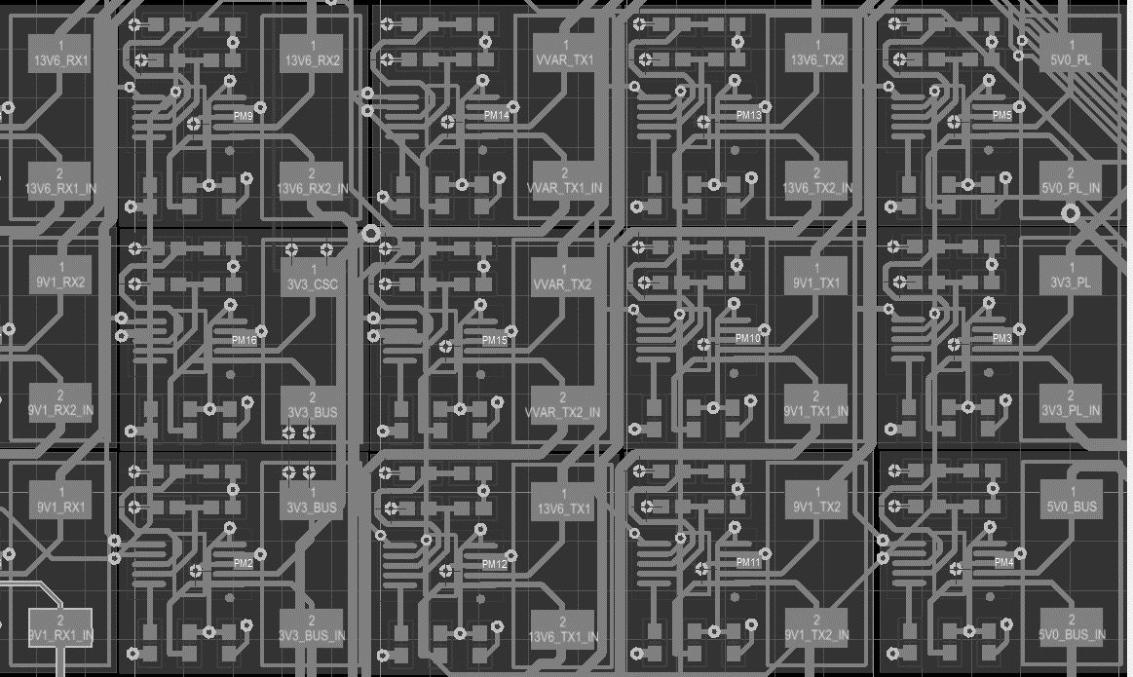
Rail | Desired | Current | Notes
VBATT | 0x60 | 0x60
13V6_TX2 | 0x62 | 0x62
VVAR_TX2 | 0x64 | 0x64
5V0_PL | 0x66 | 0x66
VVAR_TX1 | 0x68 | 0x68
3V3_CSC | 0x6A | 0x6A
13V6_TX1 | 0x6C | 0x6C
13V6_RX1 | 0x6E | 0x6E
3V3_PL | 0x70 | 0x70
13V6_RX2 | 0x72 | 0x72
9V1_TX2 | 0x74 | 0x74
9V1_RX2 | 0x76 | 0x76
3V3_BUS | 0x78 | 0x78
5V0_BUS | 0x7A | 0x7A
9V1_TX1 | 0x7C | 0x7C
9V1_RX1 | 0x7E | 0x7E

 |  | A0 on top |  | High on left
 |  | A1 on bottom |  | Ground on right

